Hiearchy View
CLASS: MOTOR STARTER
a device used to rotate (crank) an internal-combustion engine so as to initiate the engine's operation under its own power. |  | 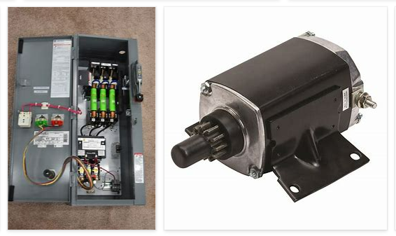
REMOVE | N

PROBLEM_DESC | CAUSE_DESC | REMEDY_DESC
ALARM/SENSOR
BROKEN/DAMAGED
NOISE
OTHER PROBLEM
OVERHEATING
POWER-ELEC
STOPPED/SLOWED/POOR OPS
TEMP-CTRL
VIBRATION
Grand Total

